Table 1

Selected Acquisition Report (SAR)
RCS: DD-A&T(Q&A)823-121
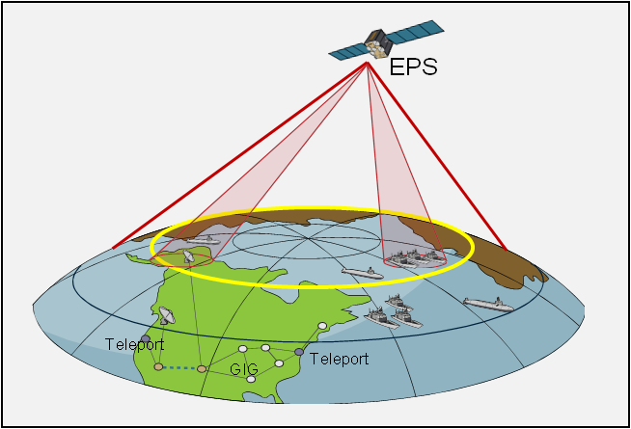
Enhanced Polar System (EPS)
As of FY 2017 President's Budget
Defense Acquisition Management Information Retrieval
(DAMIR)

Table 21
Unit Cost History
Item |  |  |  |  | Date |  |  | BY 2014 $M |  |  |  |  | TY $M
 |  |  |  |  |  |  |  | PAUC |  | APUC |  |  | PAUC |  |  | APUC

Original APB |  |  | Apr 2014 |  |  |  |  | 694.550 |  |  | N/A |  |  | 669.250 |  |  | N/A
APB as of January 2006 |  |  | N/A |  |  |  |  | N/A |  |  | N/A |  |  | N/A |  |  | N/A
Revised Original APB |  |  | N/A |  |  |  |  | N/A |  |  | N/A |  |  | N/A |  |  | N/A
Prior APB |  |  | N/A |  |  |  |  | N/A |  |  | N/A |  |  | N/A |  |  | N/A
Current APB |  |  | Apr 2014 |  |  |  |  | 694.550 |  |  | N/A |  |  | 669.250 |  |  | N/A
Prior Annual SAR |  |  | Dec 2014 |  |  |  |  | 691.500 |  |  | N/A |  |  | 669.250 |  |  | N/A
Current Estimate |  |  | Dec 2015 |  |  |  |  | 690.150 |  |  | N/A |  |  | 667.100 |  |  | N/A
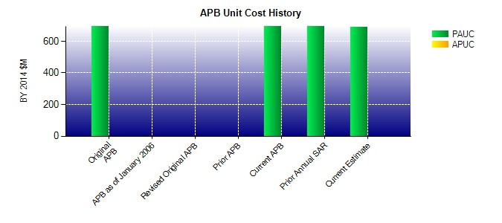
SAR Unit Cost History
Current SAR Baseline to Current Estimate (TY $M)
Initial PAUC Development Estimate | Changes |  |  |  |  |  |  |  |  |  |  |  |  |  | PAUC Current Estimate
 | Econ | Qty |  | Sch |  | Eng | Est |  | Oth | Spt |  | Total
669.250 2.150 0.000 0.000 0.000 -4.300 0.000 0.000 -2.150 667.100

